1. Title Page
Python Fundamentals for Data Analysts

Project Name: Coding Etiquette & Excel Reporting
Date: 31.10.2024
Analyst Name: Ashish Bhat

Contents:
Population Flow
Consistency checks
Wrangling steps
Column derivations
Visualizations
Recommendations

Dat source :
“The Instacart Online Grocery Shopping Dataset 2017”, Accessed from www.instacart.com/datasets/grocery-shopping-2017 via Kaggle on 12/09/2024.
Note : The customer data explored, as well as the “prices” column in the products data set, were both fabricated for the purpose of this report

2. Population Flow
Title page

Population flow

Exclusion flag
Condition: max_order < 5
Obervations to be removed: None
Final total count of order_products_all: 32404859

Orders_products_combined
Orders_products_merged
Orders_products_all

Total: 32404859
Total: 32434489
Total: 32404859

1.) The grey boxes in the first row of the population flow represent the original data sets as they were when you downloaded them. In the Total fields you need to add the count of the rows when you imported the data set into Jupyter.
2.) The second row of boxes (coloured) represents the data sets after you manipulated them, e.g., removed missing values and duplicates. In the Total fields you need to add the count of the rows after conducting these operations. This offers a visual oveview of how the data flows throughout the data consistency checks.
3.) The third row, where also the arrows are coloured, represents the merges you performed between the datasets. In the Total fields you need to add the count of the rows in the merged datasets, so that you end up with the final dataset (in the red box). Keep in mind the final dataset should be without exclusions (based on the exclusion flag).

3. Consistency checks
 |  |  |  | Title page
Consistency checks

Dataset | Missing values | Missing values treatment | Duplicates
orders | 206209 missing days since last order | keep | none
products | 16 missing product names | remove the enteries | 5 duplicates removed
orders_products_prior | 0 |  | none
customers | 11259 missing first names | keep | none

4. Wrangling steps
 |  |  |  | Title page
Wrangling steps

Columns dropped | Columns renamed | Columns' type changed | Comment/Reason
eval_set from orders |  |  | redundant
 | 'order_dow':'orders_day_of_the_week |  | to make it concise
 |  | order_id to string | appropriate for operation
 | 'orders_day_of_the_week':'weekday' |  | more readable
 |  | user_id to string | appropriate for operation
 | 'Surnam' : 'last name', |  | standarize column names
 | 'STATE' : 'state', |  | standarize column names
 | 'date_joined' : 'joining date', |  | standarize column names
 | 'n_dependants' : 'number of dependents', |  | standarize column names
 | 'fam_status' : 'family status |  | standarize column names
first_name |  |  | PII
last_name |  |  | PII
_merge columns |  |  | unused
many flag columns |  |  | bloated file size, needed to delete

5. Column derivations
 |  |  |  | Title page

Column derivations and aggregations

In this tab you should add tables below that the frequences of flags/label variables that you produced after deriving them. NB: don't do this for continuous variables, only for flags.
Dataset | New column | Column/s it was derived from | Conditions
df_ords_prods_merge | price_range_loc | prices | if price > 15, then 'High-range'
 |  |  | if price <= 15 & if price > 5, then 'Mid-range product'
 |  |  | if price <= 5, then 'Low-range product'
df_ords_prods_merge | busiest_day | orders_day_of_week | if value = 0 then 'Busiest days'
 |  |  | if value = 4 then 'Slowest days'
 |  |  | else 'Regularly busy'
df_ords_prods_merge | busiest_days | orders_day_of_week | if value = 0 or if value = 1, then 'Busiest days'
 |  |  | if value = 3 or if value = 4, then 'Slowest days'
 |  |  | else 'Regularly busy'
ords_prods_merge | max_order | number_of_orders | maximum number of orders placed by each user
orders_products_merged_newcolumns | loyalty_flag | max_order | if max order > 40 then 'Loyal customer'
 |  |  | if max order <= 40 and if max order > 10 then 'Regular customer'
 |  |  | if max order <= 10 then 'New customer'
orders_products_merged_newcolumns | avg_price | prices | average price per item for each user
orders_products_merged_newcolumns | spending_flag | mean_price | if avg_price < 10 then 'Low spender'
 |  |  | if avg_price >= 10 then 'High spender'
orders_products_merged_newcolumns | median_days_since_prior_order | user_id, days_since_lastorder | median number of days since each user's last order
orders_products_merged_newcolumns | frequency_flag | median_days_since_lastorder | if median_days_since_lastorder > 20 then 'Non-frequent customer'
 |  |  | if median_days_since_lastorder > 10 & median_days_since_prior_order <= 20 then 'Regular customer'
 |  |  | if median_days_since_lastorder < = 10 then 'Frequent customer'
dff | region | state | Northeast = Maine, New Hampshire, Vermont, Massachusetts, Rhode Island, Connecticut, New York, New Jersey, Pennsylvania
 |  |  | Midwest = Wisconsin, Michigan, Illinois, Indiana, Ohio, North Dakota, South Dakota, Nebraska, Kansas, Minnesota, Iowa, Missouri
 |  |  | South = Delaware, Maryland, District of Columbia, Virginia, West Virginia, North Carolina, South Carolina, Georgia, Florida, Kentucky, Tennessee, Mississippi, Alabama, Oklahoma, Arkansas, Texas, Louisiana
 |  |  | West = Idaho, Montana, Wyoming, Nevada, Utah, Colorado, Arizona, New Mexico, Alaska, Washington, Oregon, California, Hawaii
dff | spending_flag | mean_price | if avg_price < 10 then 'Low spender'
 |  |  | if avg_price >= 10 then 'High spender'
dff | exclusion_flag | max_order | if max_order < 5 then True
 |  |  | if max_order > 5 then False
dff | profile | age,income,number of dependents,department_id | young adult ( Age: 18–29 Income: Low to moderate Dependents: 0–1 Frequent purchases in departments like "snacks," "alcohol," or "frozen foods." )
 |  |  | young parent (Age: 25–39 Income: Moderate to high Dependents: 1–2 Frequent purchases in "baby products," "dairy," "snacks," or "breakfast foods.")
 |  |  | established family (Age: 30–50 Income: Moderate to high Dependents: 2 or more Frequent purchases in "household," "dairy," "produce," and "meat/seafood" departments.)
 |  |  | older adult ( Age: 50+ Income: Moderate to high Dependents: 0 Purchases in departments like "produce," "dairy," "health & wellness," and "beverages.")

profile
Other 27549887 |  | price_range
Established Family 1792131 |  | Mid-range product 673183
Older Adult 1652471 |  | Low-range product 314392
Young Parent 1335516 |  | High range 12425
Young Adult 74854 |  | Name: count, dtype: int64
Name: count, dtype: int64

busiest_day |  | busiest_days
Regularly busy 22416875 |  | Regularly busy 12916111
Busiest day 6204182 |  | Busiest days 11864412
Least busy 3783802 |  | Slowest days 7624336
Name: count, dtype: int64 |  | Name: count, dtype: int64

busiest_period_of_day |  | loyalty_flag
Average orders 26802436 |  | Regular customer 15876776
Most Orders 5497900 |  | Loyal customer 10284093
Fewest orders 104523 |  | New customer 6243990
Name: count, dtype: int64 |  | Name: count, dtype: int64

spending_flag
Low spender 31770614
High spender 634245
Name: count, dtype: int64

6. Visualizations
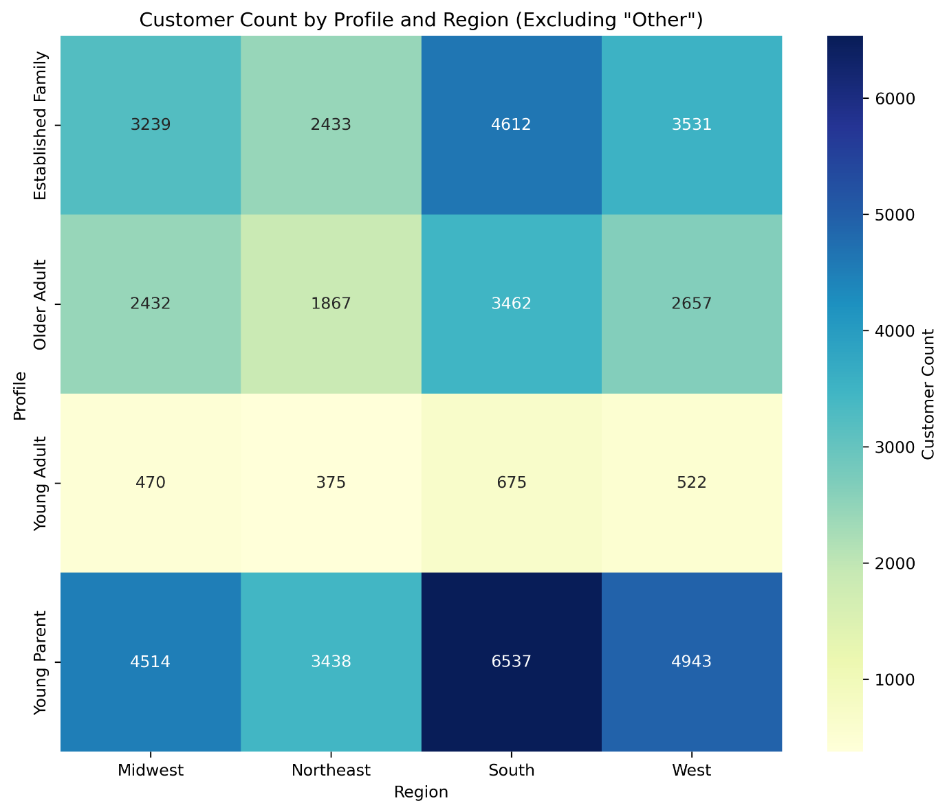
 |  |  | Title page

Visualisations

In this tab you should include all the visualtions from Exercises 4.9 and 4.10, alongside the questions from the project brief that they answer. Include any commentary on the relationship between different variables.

1. What are the busiest days of the week and hours of the day? - To make appropriate targeting campaigns for relevant hours and days
Saturday and Sunday are the busiest days of week. Between 9 am 4 pm are the busiest hours on an average

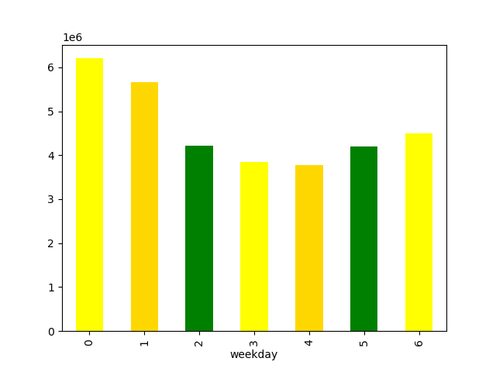


2. How does the revenue/expenditure distribution look like - which hours generate most of the value in terms of strategically desigining campigns and also to allocate operational resources
The highest average prices are between 2 am to 5 am and also other peak around 9 am but the bulk of the revenue is made between 8 am to 8pm.

 | This graph displays the max price on an hourly basis | This graph displays the sum of prices/revenue on the y axis aggregated by hours of the day
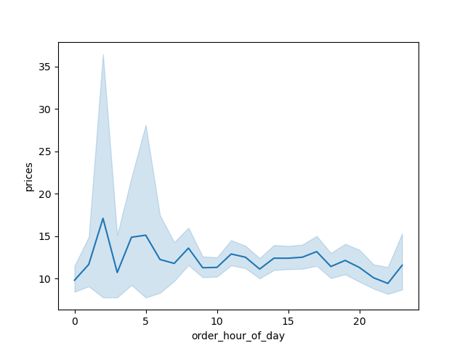
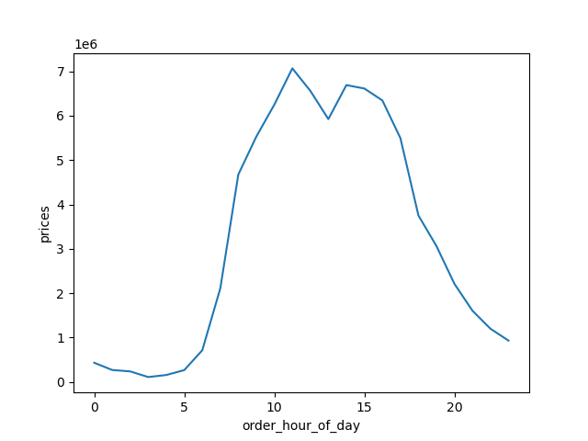

3 | What is the distribution of products in terms of popularity ? Which products are more popular and need higher inventory levels ?
 | Produuce, Dairy and eggs, snacks and beverages are the biggest sellers by department

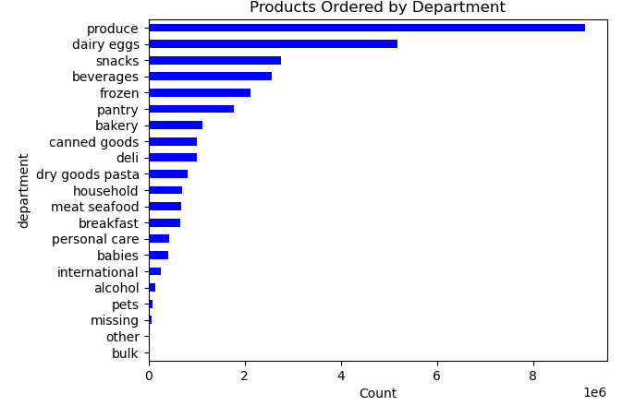

4 | What is the relationship between age and income, are certain age groups likley to have higher income to create demographic targeting for marketing campaigns ?
 | Agre group 40 and above shows higher incomes compared to age <40


5 | How are the profiles distributed between our customer database ? Are certain profiles representing a bigger chunk of oour customer base ?
 | Intrestingly, of the % of customer base that our parameters define, established families are the biggest group followed by older adults. There is significant portion of customer base which is not included in our profile categories

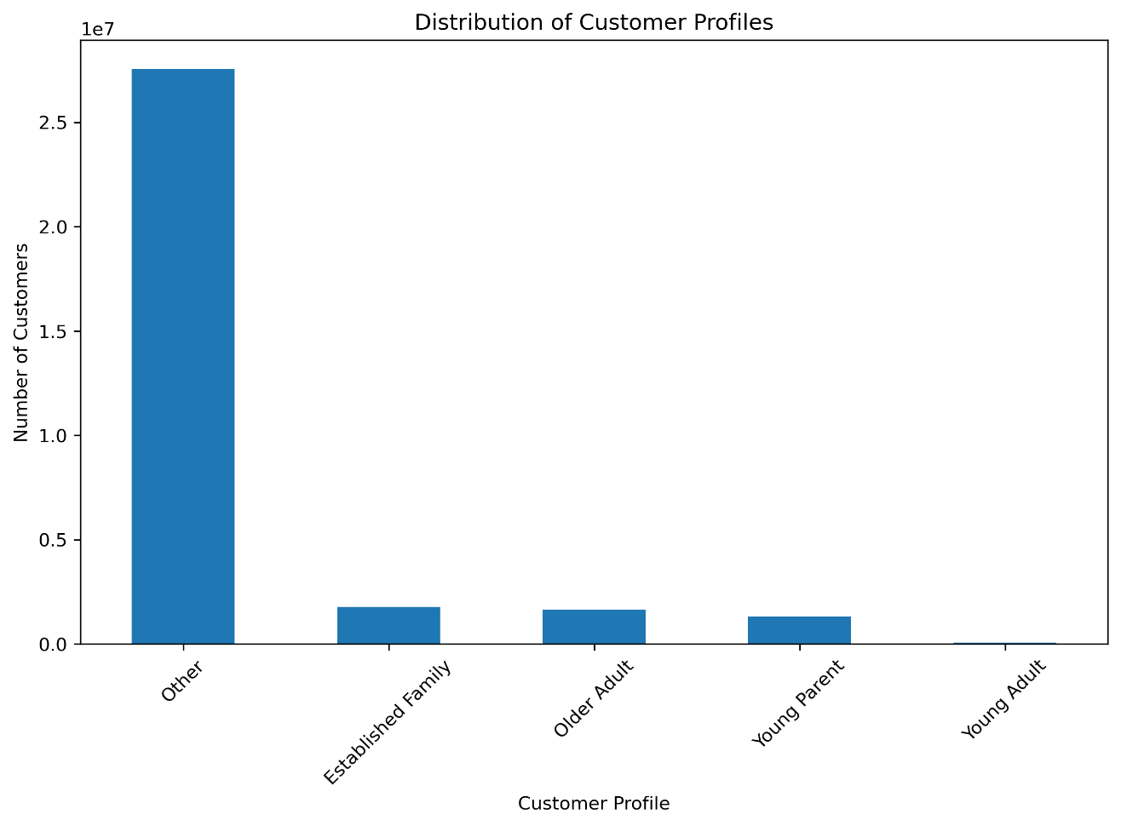
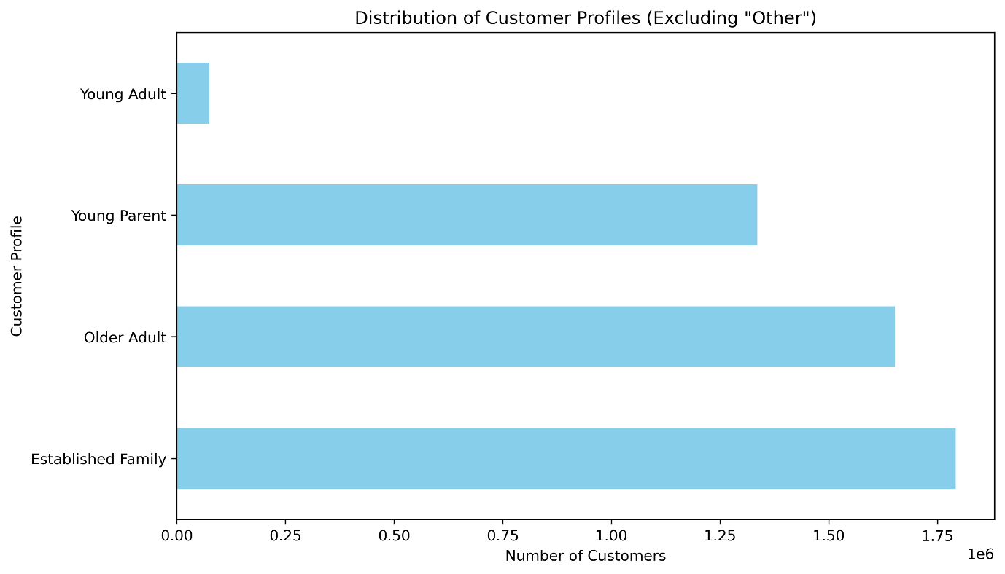

6 | What is the region level distribution of profiles that we defined ? Are there certain profiles more prevelant in certain regions ?
 | We see similar trends in ranking of profiles across the regions with established families closely following young parents in terms of number of profiles

7. Recommendations
 |  | Title page

Recommendations

In this tab you should include any recommendations you would made to Instcart in terms of their marketing strategy based on the questions posed in the brief. Every key question has been covered in the Tasks of the Exercises - here you need to add an item - a visualisation or table/crosstable that is showing the answer in the data, acompanied by a comment from you. Please, list the questions below and add the answer underneath.

Question | Answer
1. What are the busiest days of the week and hours of the day? | Weekends are the most busy, Tuesday the least busy. Target A2C activation Campigns for weekends and provide discounts and coupons for slow weekdays
2. How does the revenue/expenditure distribution look like - which hours generate most of the value in terms of strategically desigining campigns and also to allocate operational resources | Based on cart conversion rate, design campaign to encourgae high ticket purchases in the early morning. Allocate appropriate operational resources and inventory to peak time of 9 am to 4pm to maximize revenue
3. What is the distribution of products in terms of popularity ? Which products are more popular and need higher inventory levels ? | Depending on our gross margins and competetive advantage, promote products lower in the ranking but with higher gross margin
4. What is the relationship between age and income, are certain age groups likley to have higher income to create demographic targeting for marketing campaigns ? | Create separate audience for <40 and >40 age groups
5. How are the profiles distributed between our customer database ? Are certain profiles representing a bigger chunk of our customer base ? | If they don’t already exist, create camapigns targeting established families ( even subscription and loyalty points offers ) since they represent the biggest chunks
 | Iterate on profile expansions depending on the results of above campaign to include more users from profiles currently marked 'Others'
6. What is the region level distribution of profiles that we defined ? Are there certain profiles more prevelant in certain regions ? | Increase advertising and promotions in regions when there are fewer customers
 | A focus on products favored by families may drive people to place an order rather than waiting.
 | A region wise campaign targeting each profile category seperately using different creatives needs to be tested and iterated upon

